12_Xoa Gio hang
 |  |  | PHP Laravel 5x - Website bán hàng Bài 13: Xóa Giỏ Hàng

Cau hinh Route

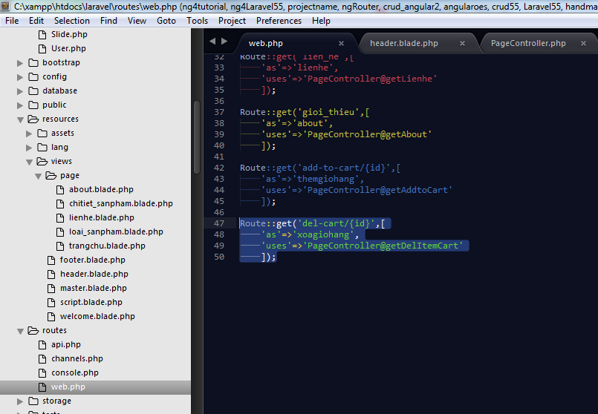

Tao 1 controller trong PageController

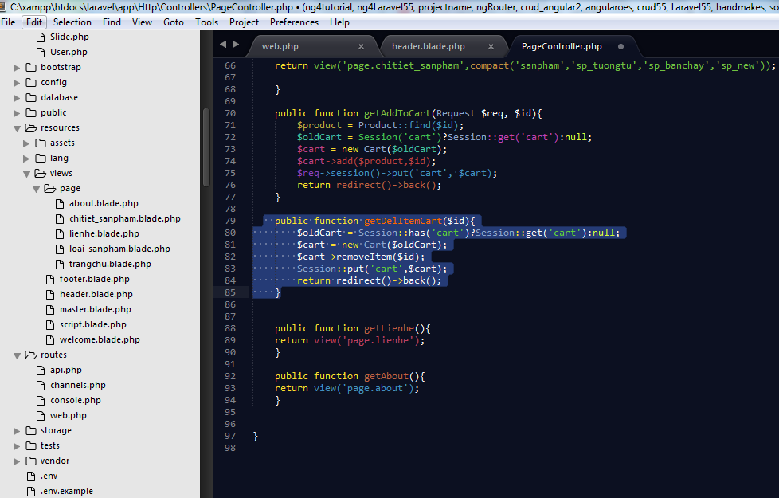

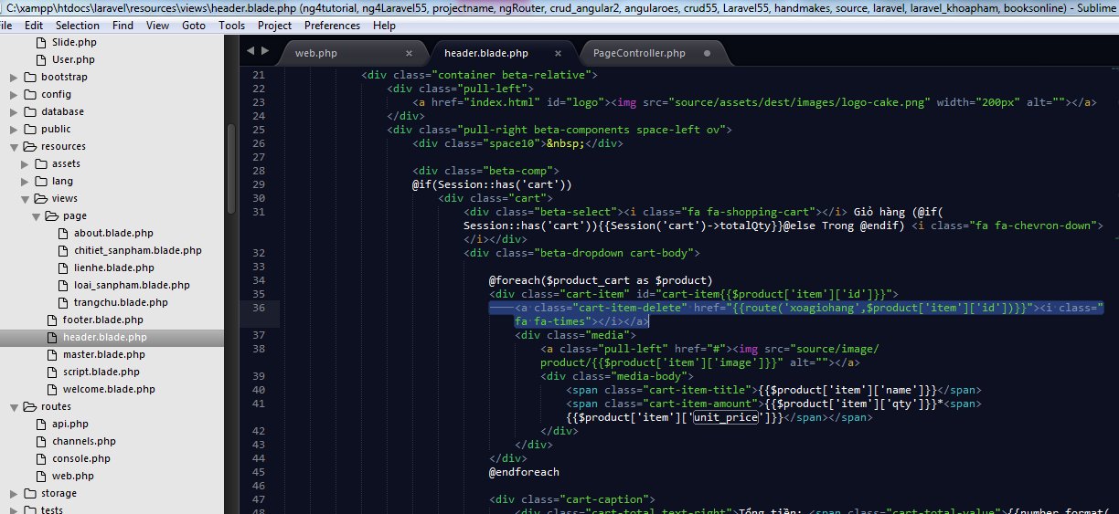

Tien hanh sua lai

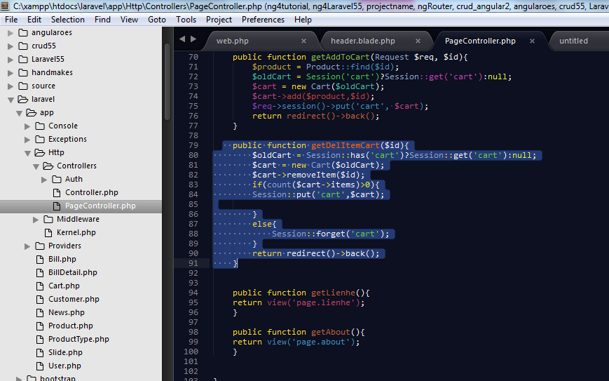

 |  |  |  |  |  |  |  |  |  |  |  |  | public function getDelItemCart($id){
 |  |  |  |  |  |  |  |  |  |  |  |  | $oldCart = Session::has('cart')?Session::get('cart'):null;
 |  |  |  |  |  |  |  |  |  |  |  |  | $cart = new Cart($oldCart);
 |  |  |  |  |  |  |  |  |  |  |  |  | $cart->removeItem($id);
 |  |  |  |  |  |  |  |  |  |  |  |  | if(count($cart->items)>0){
 |  |  |  |  |  |  |  |  |  |  |  |  | Session::put('cart',$cart);

 |  |  |  |  |  |  |  |  |  |  |  |  | }
 |  |  |  |  |  |  |  |  |  |  |  |  | else{
 |  |  |  |  |  |  |  |  |  |  |  |  | Session::forget('cart');
 |  |  |  |  |  |  |  |  |  |  |  |  | }
 |  |  |  |  |  |  |  |  |  |  |  |  | return redirect()->back();
 |  |  |  |  |  |  |  |  |  |  |  |  | }

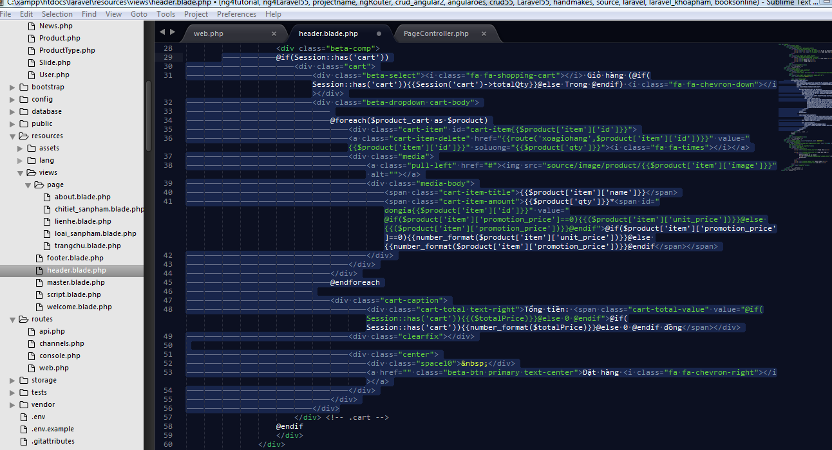

 | <div id="header">
 |  |  | <div class="header-top">
 |  |  |  | <div class="container">
 |  |  |  |  | <div class="pull-left auto-width-left">
 |  |  |  |  |  | <ul class="top-menu menu-beta l-inline">
 |  |  |  |  |  |  | <li><a href=""><i class="fa fa-home"></i> 90-92 Lê Thị Riêng, Bến Thành, Quận 1</a></li>
 |  |  |  |  |  |  | <li><a href=""><i class="fa fa-phone"></i> 0163 296 7751</a></li>
 |  |  |  |  |  | </ul>
 |  |  |  |  | </div>
 |  |  |  |  | <div class="pull-right auto-width-right">
 |  |  |  |  |  | <ul class="top-details menu-beta l-inline">
 |  |  |  |  |  |  | <li><a href="#"><i class="fa fa-user"></i>Tài khoản</a></li>
 |  |  |  |  |  |  | <li><a href="#">Đăng kí</a></li>
 |  |  |  |  |  |  | <li><a href="#">Đăng nhập</a></li>
 |  |  |  |  |  | </ul>
 |  |  |  |  | </div>
 |  |  |  |  | <div class="clearfix"></div>
 |  |  |  | </div> <!-- .container -->
 |  |  | </div> <!-- .header-top -->
 |  |  | <div class="header-body">
 |  |  |  | <div class="container beta-relative">
 |  |  |  |  | <div class="pull-left">
 |  |  |  |  |  | <a href="index.html" id="logo"><img src="source/assets/dest/images/logo-cake.png" width="200px" alt=""></a>
 |  |  |  |  | </div>
 |  |  |  |  | <div class="pull-right beta-components space-left ov">
 |  |  |  |  |  | <div class="space10">&nbsp;</div>

 |  |  |  |  |  | <div class="beta-comp">
 |  |  |  |  |  | @if(Session::has('cart'))
 |  |  |  |  |  |  | <div class="cart">
 |  |  |  |  |  |  |  | <div class="beta-select"><i class="fa fa-shopping-cart"></i> Giỏ hàng (@if(Session::has('cart')){{Session('cart')->totalQty}}@else Trong @endif) <i class="fa fa-chevron-down"></i></div>
 |  |  |  |  |  |  |  | <div class="beta-dropdown cart-body">

 |  |  |  |  |  |  |  |  | @foreach($product_cart as $product)
 |  |  |  |  |  |  |  |  |  | <div class="cart-item" id="cart-item{{$product['item']['id']}}">
 |  |  |  |  |  |  |  |  |  | <a class="cart-item-delete" href="{{route('xoagiohang',$product['item']['id'])}}" value="{{$product['item']['id']}}" soluong="{{$product['qty']}}"><i class="fa fa-times"></i></a>
 |  |  |  |  |  |  |  |  |  | <div class="media">
 |  |  |  |  |  |  |  |  |  |  | <a class="pull-left" href="#"><img src="source/image/product/{{$product['item']['image']}}" alt=""></a>
 |  |  |  |  |  |  |  |  |  |  | <div class="media-body">
 |  |  |  |  |  |  |  |  |  |  |  | <span class="cart-item-title">{{$product['item']['name']}}</span>
 |  |  |  |  |  |  |  |  |  |  |  | <span class="cart-item-amount">{{$product['qty']}}*<span id="dongia{{$product['item']['id']}}" value="@if($product['item']['promotion_price']==0){{($product['item']['unit_price'])}}@else {{($product['item']['promotion_price'])}}@endif">@if($product['item']['promotion_price']==0){{number_format($product['item']['unit_price'])}}@else {{number_format($product['item']['promotion_price'])}}@endif</span></span>
 |  |  |  |  |  |  |  |  |  |  | </div>
 |  |  |  |  |  |  |  |  |  | </div>
 |  |  |  |  |  |  |  |  | </div>
 |  |  |  |  |  |  |  |  | @endforeach

 |  |  |  |  |  |  |  |  | <div class="cart-caption">
 |  |  |  |  |  |  |  |  |  |  | <div class="cart-total text-right">Tổng tiền: <span class="cart-total-value" value="@if(Session::has('cart')){{($totalPrice)}}@else 0 @endif">@if(Session::has('cart')){{number_format($totalPrice)}}@else 0 @endif đồng</span></div>
 |  |  |  |  |  |  |  |  |  | <div class="clearfix"></div>

 |  |  |  |  |  |  |  |  |  | <div class="center">
 |  |  |  |  |  |  |  |  |  |  | <div class="space10">&nbsp;</div>
 |  |  |  |  |  |  |  |  |  |  | <a href="" class="beta-btn primary text-center">Đặt hàng <i class="fa fa-chevron-right"></i></a>
 |  |  |  |  |  |  |  |  |  | </div>
 |  |  |  |  |  |  |  |  | </div>
 |  |  |  |  |  |  |  | </div>
 |  |  |  |  |  |  | </div> <!-- .cart -->
 |  |  |  |  |  | @endif
 |  |  |  |  |  | </div>
 |  |  |  |  | </div>
 |  |  |  |  | <div class="clearfix"></div>
 |  |  |  | </div> <!-- .container -->
 |  |  | </div> <!-- .header-body -->
 |  |  | <div class="header-bottom" style="background-color: #0277b8;">
 |  |  |  | <div class="container">
 |  |  |  |  | <a class="visible-xs beta-menu-toggle pull-right" href="#"><span class='beta-menu-toggle-text'>Menu</span> <i class="fa fa-bars"></i></a>
 |  |  |  |  | <div class="visible-xs clearfix"></div>
 |  |  |  |  | <nav class="main-menu">
 |  |  |  |  |  | <ul class="l-inline ov">
 |  |  |  |  |  |  | <li><a href="{{route('trang-chu')}}">Trang chủ</a></li>

 |  |  |  |  |  |  | <li><a href="{{route('trang-chu')}}">Loai Sản phẩm</a>
 |  |  |  |  |  |  |  | <ul class="sub-menu">
 |  |  |  |  |  |  |  |  | @foreach($loai_sp as $loai)
 |  |  |  |  |  |  |  |  | <li><a href="{{route('loaisanpham',$loai->id)}}">{{$loai->name}}</a></li>
 |  |  |  |  |  |  |  |  | @endforeach
 |  |  |  |  |  |  |  | </ul>
 |  |  |  |  |  |  | </li>
 |  |  |  |  |  |  | <li><a href="{{route('about')}}">Giới thiệu</a></li>
 |  |  |  |  |  |  | <li><a href="{{route('lienhe')}}">Liên hệ</a></li>
 |  |  |  |  |  | </ul>
 |  |  |  |  |  | <div class="clearfix"></div>
 |  |  |  |  | </nav>
 |  |  |  | </div> <!-- .container -->
 |  |  | </div> <!-- .header-bottom -->
 |  | </div> <!-- #header -->

